Error Factor
Mkt-RF Residual Plot
SMB Residual Plot
Normal Probability Plot
...
Dates | Mkt-RF | SMB | HML | SKC | SUMMARY OUTPUT
202403 | 0.98 | 0.07 | 1.49 | -0.022471910112 | R Square | 0.059027602716
202402 | 1.09 | 0.51 | -1.28 | -0.14423076923 | Adjusted R Square | -0.25462986305
202401 | -5.01 | -1.08 | 1.04 | 0.077720207254 | Standard Error | 0.27974117494
202312 | 7.85 | -2.98 | -1.05 | 0.021164021164 | Observations | 13
202311 | 4.75 | 1.17 | -3.64 | 0.038461538462
202310 | -5.05 | 0.18 | 1.79 | -0.016216216216 | ANOVA
202309 | -3.54 | -0.21 | 3.03 | -0.010695187166 |  | df | SS | MS | F | Significance F
HML Residual Plot
Mkt-RF Line Fit Plot
 | SKC | Predicted SKC
HML Line Fit Plot
 | SKC | Predicted SKC
202308 | -6.5 | 1.09 | 0.16 | -0.031088082902 | Regression | 3 | 0.044180798457 | 0.014726932819 | 0.18819128878 | 0.90178862554
202307 | 3.64 | -0.86 | 0.56 | -0.18565400844 | Residual | 9 | 0.70429612462 | 0.078255124958
202306 | 3.14 | -1.21 | 0.18 | 0.048672566372 | Total | 12 | 0.74847692308
Note: we used 2023-2024 data because it will give us the most accurate residuals, considering the current state of SKC
 |  |  |  |  |  | Coefficients | Standard Error | t Stat | P-value | Lower 95% | Upper 95% | Lower 95.0% | Upper 95.0%
 |  |  |  |  | Intercept | 1.9651879025 | 0.086046567666 | 22.838655345 | 2.8082681664E-09 | 1.7705370432 | 2.1598387619 | 1.7705370432 | 2.1598387619
 |  |  |  |  | Mkt-RF | 0.0066838643508 | 0.029876785754 | 0.22371430467 | 0.82797524117 | -0.060902120545 | 0.074269849246 | -0.060902120545 | 0.074269849246
 |  |  |  |  | SMB | 0.067125551276 | 0.098977210894 | 0.67819198651 | 0.51470674001 | -0.1567764553 | 0.29102755785 | -0.1567764553 | 0.29102755785
 |  |  |  |  | HML | 0.014334164857 | 0.0641865569 | 0.22332035787 | 0.82827262519 | -0.13086591459 | 0.1595342443 | -0.13086591459 | 0.1595342443

SMB Line Fit Plot
 | SKC | Predicted SKC
 |  |  |  |  | RESIDUAL OUTPUT |  |  |  |  | PROBABILITY OUTPUT

 |  |  |  |  | Observation | Predicted SKC | Residuals | Standard Residuals |  | Percentile | SKC |  | Residual Sum of Squares | 0.05417662497 | Error Factor
 |  |  |  |  | 1 | 1.9182603814 | -0.45826038141 | -1.8915824932 |  | 3.8461538462 | 1.46 |  | 0.2100025772
 |  |  |  |  | 2 | 1.9053737415 | -0.16537374146 | -0.68262081309 |  | 11.538461538 | 1.74 |  | 0.02734847436
 |  |  |  |  |  |  |  | -0.76626887636 |  | 19.230769231 | 1.78 |  | 0.03446167837
 |  |  |  |  |  |  |  | 0.33932225882 |  | 26.923076923 | 1.82 |  | 0.006757697565
 |  |  |  |  |  |  |  | -0.24089367132 |  | 34.615384615 | 1.85 |  | 0.003405844642
 |  |  |  |  |  |  |  | 0.065574702468 |  | 42.307692308 | 1.87 |  | 0.0002523752198
...

Error Factor (REVISED)
...
Normal Probability Plot
NZX 50 Returns Line Fit Plot
 | SKC Returns | Predicted SKC Returns
NZX 50 Returns Residual Plot
...
SMB Line Fit Plot
 | SKC Returns | Predicted SKC Returns
SMB Residual Plot
...
Upper 95% | Lower 95.0% | Upper 95.0%
-0.00065634211429 | -0.015431341607 | -0.00065634211429
1.3278084668 | 0.9260359688 | 1.3278084668
0.48394735727 | -0.080746545893 | 0.48394735727
0.46338044572 | -0.26443669366 | 0.46338044572
0.49740576893 | -0.21277262288 | 0.49740576893
0.48104452701 | -0.29873645671 | 0.48104452701
HML Line Fit Plot
 | SKC Returns | Predicted SKC Returns
HML Residual Plot
...
RMW Residual Plot
...
RMW Line Fit Plot
 | SKC Returns | Predicted SKC Returns
...
CMA Line Fit Plot
 | SKC Returns | Predicted SKC Returns
CMA Residual Plot
...

5 factor model(REVISED)
...
NZX 50 | RF return | Date | Last Price | Return Rf |  |  |  | Averages | 5 FACTOR MODEL | 1.21% | 15.53%
11,330.20 | 0.18% | 2023-08-31 | 4.87 | 4.08% | BBG 10Y Weekly Adj. | 1.186 | 60%
10,757.69 | 0.18% | 2023-07-31 | 4.68 | 1.30% | Damadorian | 0.972 | 40%
11,296.43 | 0.18% | 2023-06-30 | 4.62 | 7.89%
11,554.48 | 0.18% | 2023-05-31 | 4.29 | 4.77% | Weighted Beta | 1.100
12,056.15 | 0.18% | 2023-04-28 | 4.09 | -2.53%
11,916.47 | 0.18% | 2023-03-31 | 4.20 | -8.18%
11,813.01 | 0.18% | 2023-02-28 | 4.57 | 9.70%
12,019.84 | 0.18% | 2023-01-31 | 4.17 | -6.84%
11,884.50 | 0.18% | 2022-12-30 | 4.47 | 9.50%
11,894.58 | 0.18% | 2022-11-30 | 4.08 | -2.44%
 | NZX 50
11,967.72 | 0.18% | 2022-10-31 | 4.19 | -2.72%
11,473.24 | 0.18% | 2022-09-30 | 4.30 | 8.14%
11,552.04 | 0.18% | 2022-08-31 | 3.98 | 16.52%
11,338.43 | 0.18% | 2022-07-29 | 3.42 | -11.55%
11,065.71 | 0.18% | 2022-06-30 | 3.86 | 6.89%
11,601.10 | 0.18% | 2022-05-31 | 3.61 | -0.77%
11,492.65 | 0.18% | 2022-04-29 | 3.64 | 12.97%
10,868.70 | 0.18% | 2022-03-31 | 3.22 | 17.12%
11,308.34 | 0.18% | 2022-02-28 | 2.75 | 5.73%
11,884.30 | 0.18% | 2022-01-31 | 2.60 | 8.96%
12,110.26 | 0.18% | 2021-12-31 | 2.39 | -3.98%
11,977.77 | 0.18% | 2021-11-30 | 2.49 | -5.62%
11,889.40 | 0.18% | 2021-10-29 | 2.64 | 26.08%
13,033.77 | 0.18% | 2021-09-30 | 2.09 | 14.71%
12,718.91 | 0.18% | 2021-08-31 | 1.82 | 10.42%
13,099.82 | 0.18% | 2021-07-30 | 1.65 | -6.52%
13,275.76 | 0.18% | 2021-06-30 | 1.77 | -1.67%
13,218.83 | 0.18% | 2021-05-31 | 1.80 | 8.92%
12,594.52 | 0.18% | 2021-04-30 | 1.65 | -8.95%
12,654.60 | 0.18% | 2021-03-31 | 1.81 | -4.74%
12,320.72 | 0.18% | 2021-02-26 | 1.90 | 69.95%
12,731.13 | 0.18% | 2021-01-29 | 1.12 | 13.27%
12,560.70 | 0.18% | 2020-12-31 | 0.99 | 16.53%
12,227.29 | 0.18% | 2020-11-30 | 0.85 | 58.91%
13,127.29 | 0.18% | 2020-10-30 | 0.53 | 6.18%
13,091.64 | 0.18% | 2020-09-30 | 0.50 | -19.94%
...

Cost of Debt Calculation
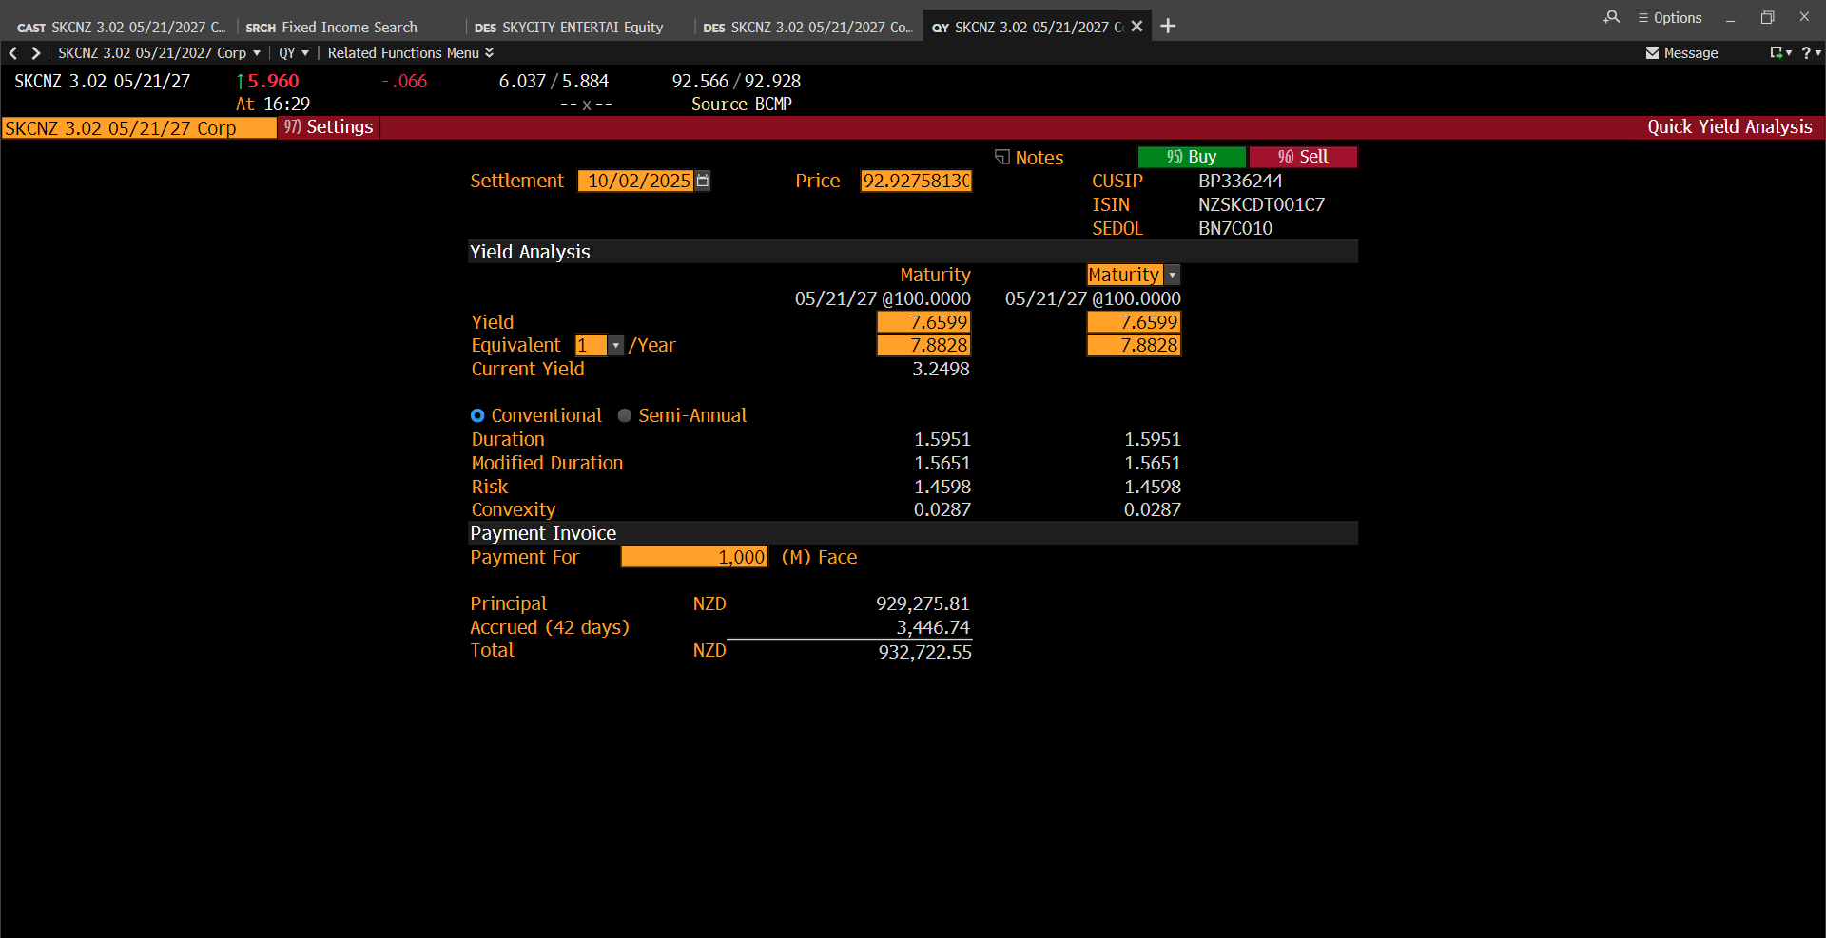

SKCNZ 3.02 05/21/2027 Corporate BBB- rated bond, with a settlement date of 2nd October 2025 (an exact 1Y forward to match our intrinsic value projection) has an equivalent 1/Year yield of 7.8828%. SKC's only issued bond will mature on the 21st May 2027 (attach BBG in appendix). This was formulated via a Bloomberg Terminal.
Maybe include items such as duraction, MD, and convexity of this bond. This is higher than the current 5.960% yield, meaning investors are indicating to the market SKC is more risky in the future, and thus, demand higher returns.
Exactly one-year after our 12m projection (i.e., 10/02/2026) the equivalent 1/Year yield will be 15.7272%. This is a potential driver, so far, cost of debt is set to increase even further beyond the 12m forecast (however we are only concerned with the current 12m forecast, which still shows an increasing cost of debt)

